Unpaid Absence Form
Version 2.0
 | Unpaid Absence Form
Employee Details
First Name*:
Surname Name*:
Employee Number*:

Unpaid Absence Details
Start Date*:
End Date*:
Number of Days:
or Hours [for short term absence]:
Authorised?*:
Reason/Other Info*:

Contact Details
Manager*:
Department Name*:
Telephone*:
Please Note: All fields marked * are mandatory and must be completed before sending
Submit to Payroll
Submitted On:

Troubleshooting
 | If the Home Page does not appear then you will need to enable the macros:
Excel 2007 | Click the 'Options…' button shown below, select 'Enable all content' and click OK
 | 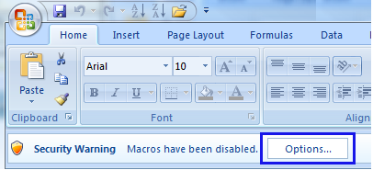
Excel 2013+ | Click the 'Enable Content' button shown below

N.B If you do not see the screenshots above then please follow these instructions to adjust the macros security level | 1. Click the Microsoft Office/File Button
 | 2. Click Excel Options
 | 3. In the Trust Centre category, click Trust Centre Settings
 | 4. Click the Macro Settings category
 | 5. Select the ‘Disable All Macros (with notification)’ option and press OK
 | Excel will need to be closed down and reopened for this change to take effect.

